paste
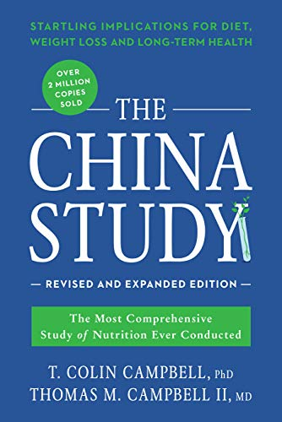
Audible Sample
Audible Sample

The China Study: Revised and Expanded Edition: The...

By Thomas M. Campbell II MD
Narrated by Dan Woren
Audible List Price : $24.47
Audible Upgrade Price : $7.49
You Save $16.98 (69%)
Upgrade with Audio for $7.49
All titles sold and delivered by Audible.com
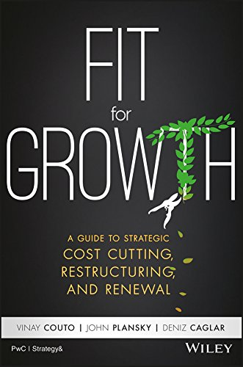
Audible Sample
Audible Sample

Fit for Growth: A Guide to Strategic Cost Cutting,...

By Deniz Caglar
Narrated by Walter Dixon
Audible List Price : $20.99
Audible Upgrade Price : $7.49
You Save $13.50 (64%)
Upgrade with Audio for $7.49
All titles sold and delivered by Audible.com
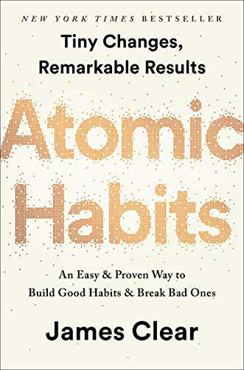
Audible Sample
Audible Sample

Atomic Habits: An Easy & Proven Way to Build Good ...

By James Clear
Narrated by James Clear
Audible List Price : $21.00
Audible Upgrade Price : $7.49
You Save $13.51 (64%)
Upgrade with Audio for $7.49
All titles sold and delivered by Audible.com
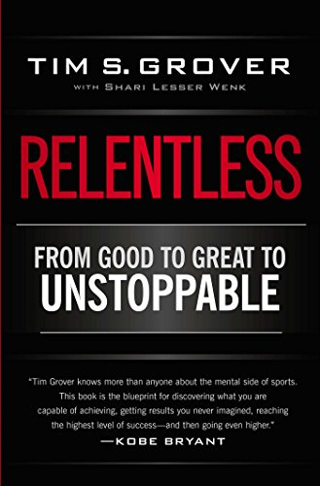
Audible Sample
Audible Sample

Relentless: From Good to Great to Unstoppable

By Tim S. Grover
Narrated by Sean Pratt
Audible List Price : $26.59
Audible Upgrade Price : $7.49
You Save $19.10 (72%)
Upgrade with Audio for $7.49
All titles sold and delivered by Audible.com
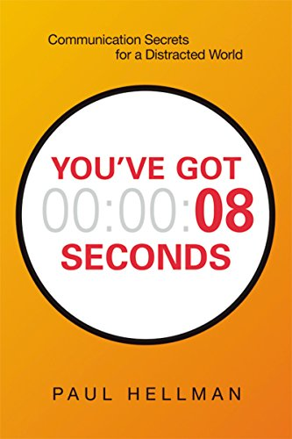
Audible Sample
Audible Sample

You've Got 8 Seconds

By Paul Hellman
Narrated by Paul Hellman
Audible List Price : $13.99
Audible Upgrade Price : $7.49
You Save $6.50 (46%)
Upgrade with Audio for $7.49
All titles sold and delivered by Audible.com
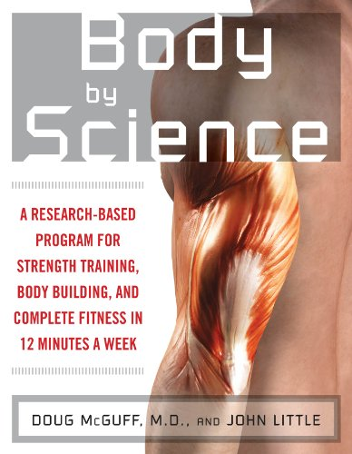
Audible Sample
Audible Sample

Body by Science: A Research Based Program to Get t...

By John Little
Narrated by Rick Adamson
Audible List Price : $17.49
Audible Upgrade Price : $7.49
You Save $10.00 (57%)
Upgrade with Audio for $7.49
All titles sold and delivered by Audible.com
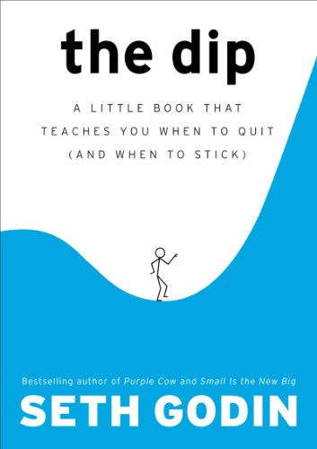
Audible Sample
Audible Sample

The Dip: A Little Book That Teaches You When to Qu...

By Seth Godin
Narrated by Seth Godin
Audible List Price : $7.95
Audible Upgrade Price : $4.49
You Save $3.46 (44%)
Upgrade with Audio for $4.49
All titles sold and delivered by Audible.com
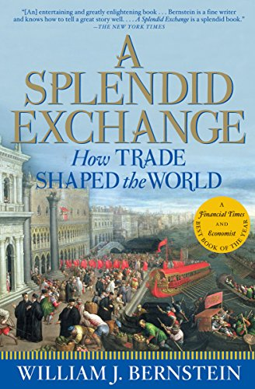
Audible Sample
Audible Sample

A Splendid Exchange: How Trade Shaped the World

By William J. Bernstein
Narrated by Mel Foster
Audible List Price : $29.95
Audible Upgrade Price : $7.49
You Save $22.46 (75%)
Upgrade with Audio for $7.49
All titles sold and delivered by Audible.com
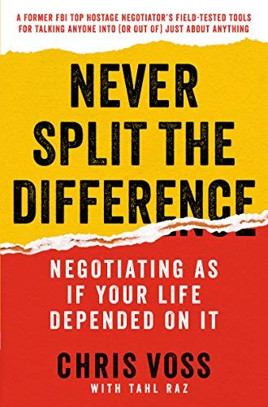
Audible Sample
Audible Sample

Never Split the Difference: Negotiating As If Your...

By Chris Voss
Narrated by Michael Kramer
Audible List Price : $27.37
Audible Upgrade Price : $12.99
You Save $14.38 (53%)
Upgrade with Audio for $12.99
All titles sold and delivered by Audible.com
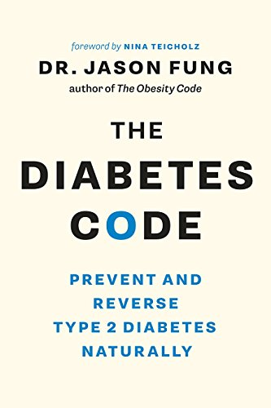
Audible Sample
Audible Sample

The Diabetes Code: Prevent and Reverse Type 2 Diab...

By Dr. Jason Fung
Narrated by Dr. Jason Fung
Audible List Price : $29.95
Audible Upgrade Price : $7.49
You Save $22.46 (75%)
Upgrade with Audio for $7.49
All titles sold and delivered by Audible.com
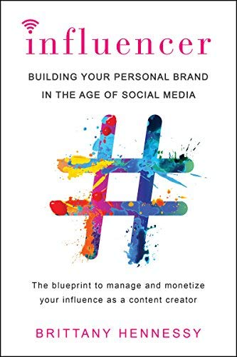
Audible Sample
Audible Sample

Influencer: Building Your Personal Brand in the Ag...

By Brittany Hennessy
Narrated by Brittany Hennessy
Audible List Price : $24.47
Audible Upgrade Price : $7.49
You Save $16.98 (69%)
Upgrade with Audio for $7.49
All titles sold and delivered by Audible.com
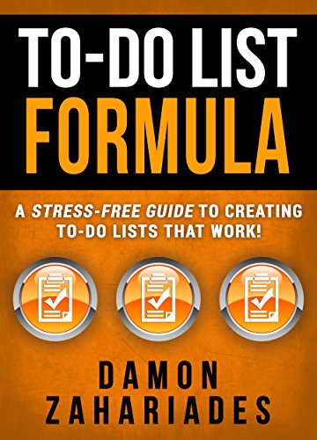
Audible Sample
Audible Sample

To-Do List Formula: A Stress-Free Guide To Creatin...

By Damon Zahariades
Narrated by Joe Hempel
Audible List Price : $6.95
Audible Upgrade Price : $4.87
You Save $2.08 (30%)
Upgrade with Audio for $4.87
All titles sold and delivered by Audible.com

Audible Sample
Audible Sample

AI Superpowers: China, Silicon Valley, and the New...

By Kai-Fu Lee
Narrated by Mikael Naramore
Audible List Price : $24.99
Audible Upgrade Price : $7.49
You Save $17.50 (70%)
Upgrade with Audio for $7.49
All titles sold and delivered by Audible.com

Audible Sample
Audible Sample

The Personalized Diet: The Pioneering Program to L...

By Eve Adamson
Narrated by James Edward Thomas
Audible List Price : $29.65
Audible Upgrade Price : $12.99
You Save $16.66 (56%)
Upgrade with Audio for $12.99
All titles sold and delivered by Audible.com
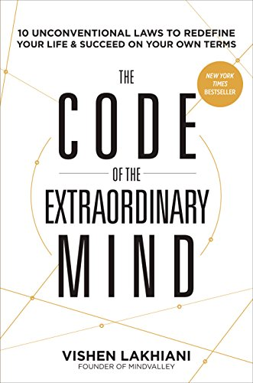
Audible Sample
Audible Sample

The Code of the Extraordinary Mind: 10 Unconventio...

By Vishen Lakhiani
Narrated by Vishen Lakhiani
Audible List Price : $20.99
Audible Upgrade Price : $12.49
You Save $8.50 (40%)
Upgrade with Audio for $12.49
All titles sold and delivered by Audible.com
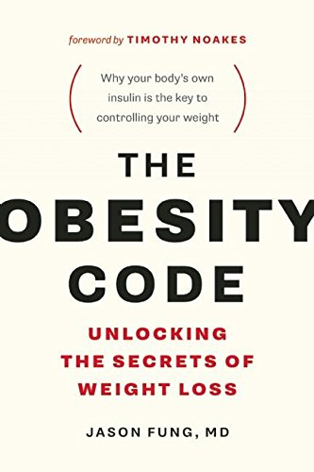
Audible Sample
Audible Sample

The Obesity Code: Unlocking the Secrets of Weight ...

By Dr. Jason Fung
Narrated by Brian Nishii
Audible List Price : $24.95
Audible Upgrade Price : $7.49
You Save $17.46 (70%)
Upgrade with Audio for $7.49
All titles sold and delivered by Audible.com
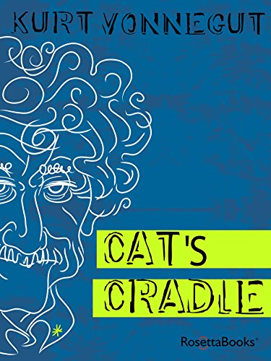
Audible Sample
Audible Sample

Cat's Cradle

By Kurt Vonnegut
Narrated by Tony Roberts
Audible List Price : $23.95
Audible Upgrade Price : $11.99
You Save $11.96 (50%)
Upgrade with Audio for $11.99
All titles sold and delivered by Audible.com
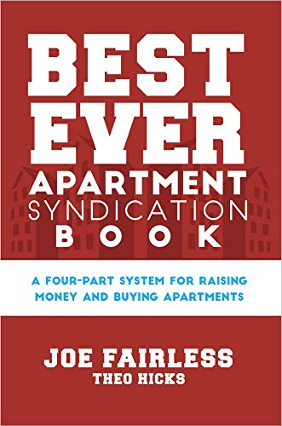
Audible Sample
Audible Sample

Best Ever Apartment Syndication Book

By Theo Hicks
Narrated by Colleen Patrick
Audible List Price : $24.95
Audible Upgrade Price : $10.49
You Save $14.46 (58%)
Upgrade with Audio for $10.49
All titles sold and delivered by Audible.com
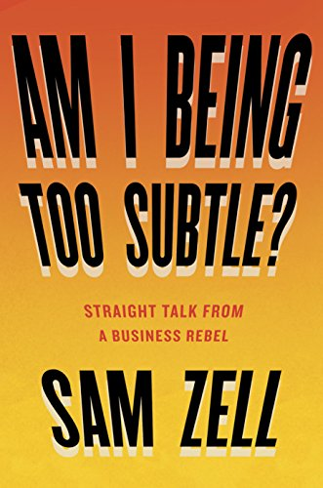
Audible Sample
Audible Sample

Am I Being Too Subtle?: Straight Talk From a Busin...

By Sam Zell
Narrated by Sam Zell
Audible List Price : $28.00
Audible Upgrade Price : $8.99
You Save $19.01 (68%)
Upgrade with Audio for $8.99
All titles sold and delivered by Audible.com
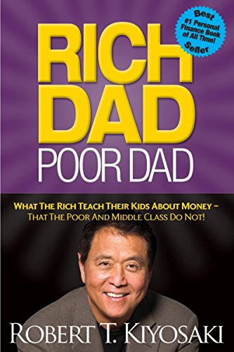
Audible Sample
Audible Sample

Rich Dad Poor Dad: What The Rich Teach Their Kids ...

By Robert T. Kiyosaki
Narrated by Tim Wheeler
Audible List Price : $24.99
Audible Upgrade Price : $7.47
You Save $17.52 (70%)
Upgrade with Audio for $7.47
All titles sold and delivered by Audible.com
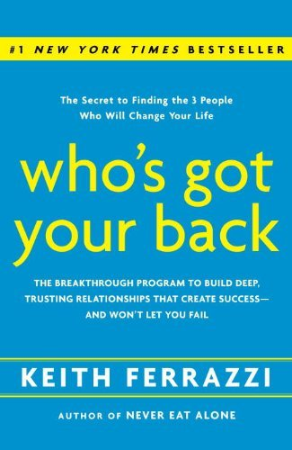
Audible Sample
Audible Sample

Who's Got Your Back: The Breakthrough Program to B...

By Keith Ferrazzi
Narrated by L. J. Ganser
Audible List Price : $27.93
Audible Upgrade Price : $7.99
You Save $19.94 (71%)
Upgrade with Audio for $7.99
All titles sold and delivered by Audible.com
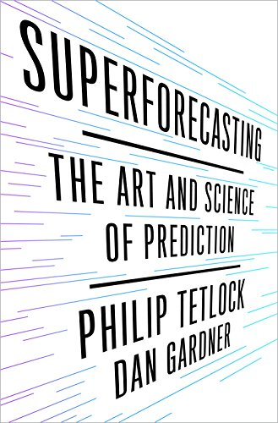
Audible Sample
Audible Sample

Superforecasting: The Art and Science of Predictio...

By Dan Gardner
Narrated by Joel Richards
Audible List Price : $19.95
Audible Upgrade Price : $7.49
You Save $12.46 (62%)
Upgrade with Audio for $7.49
All titles sold and delivered by Audible.com
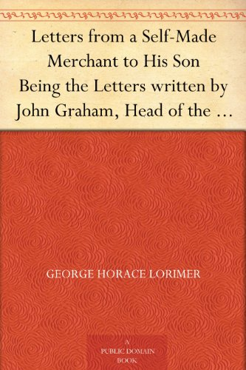
Audible Sample
Audible Sample

Letters from a Self-Made Merchant to His Son Being...

By George Horace Lorimer
Narrated by Alan Taylor
Audible List Price : $14.95
Audible Upgrade Price : $7.49
You Save $7.46 (50%)
Upgrade with Audio for $7.49
All titles sold and delivered by Audible.com
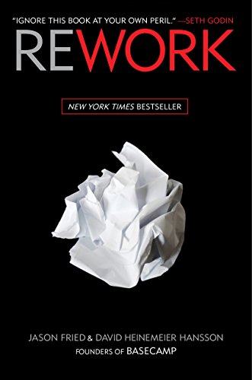
Audible Sample
Audible Sample

Rework

By David Heinemeier Hansson
Narrated by Mike Chamberlain
Audible List Price : $14.60
Audible Upgrade Price : $7.49
You Save $7.11 (49%)
Upgrade with Audio for $7.49
All titles sold and delivered by Audible.com
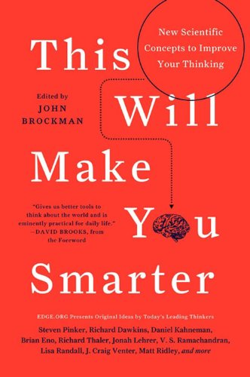
Audible Sample
Audible Sample

This Will Make You Smarter: 150 New Scientific Con...

By John Brockman
Narrated by Khristine Hvam
Audible List Price : $20.72
Audible Upgrade Price : $7.49
You Save $13.23 (64%)
Upgrade with Audio for $7.49
All titles sold and delivered by Audible.com
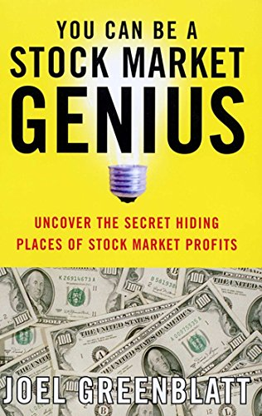
Audible Sample
Audible Sample

You Can Be a Stock Market Genius: Uncover the Secr...

By Joel Greenblatt
Narrated by Jonathan Todd Ross
Audible List Price : $17.00
Audible Upgrade Price : $11.49
You Save $5.51 (32%)
Upgrade with Audio for $11.49
All titles sold and delivered by Audible.com
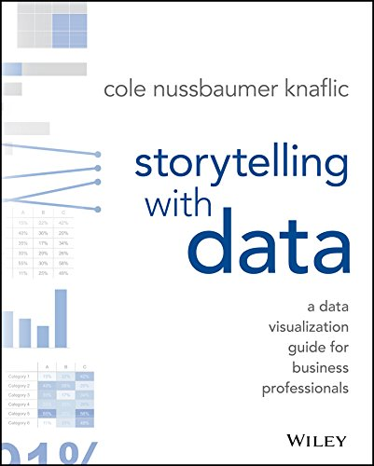
Audible Sample
Audible Sample

Storytelling with Data: A Data Visualization Guide...

By Cole Nussbaumer Knaflic
Narrated by Cole Nussbaumer Knaflic
Audible List Price : $19.95
Audible Upgrade Price : $7.49
You Save $12.46 (62%)
Upgrade with Audio for $7.49
All titles sold and delivered by Audible.com
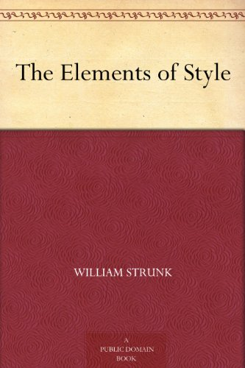
Audible Sample
Audible Sample

The Elements of Style

By William Strunk Jr.
Narrated by Adriel Brandt
Audible List Price : $9.09
Audible Upgrade Price : $6.36
You Save $2.73 (30%)
Upgrade with Audio for $6.36
All titles sold and delivered by Audible.com

Audible Sample
Audible Sample

The Rape of Lucrece

By William Shakespeare
Narrated by David Ian Davies
Audible List Price : $8.95
Audible Upgrade Price : $2.49
You Save $6.46 (72%)
Upgrade with Audio for $2.49
All titles sold and delivered by Audible.com
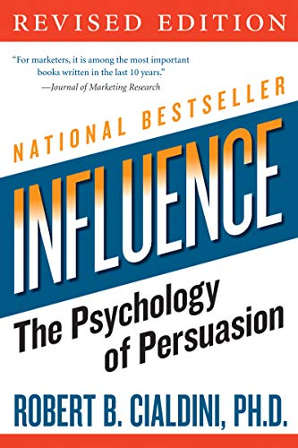
Audible Sample
Audible Sample

Influence: The Psychology of Persuasion (Collins B...

By Robert B. Cialdini
Narrated by George Newbern
Audible List Price : $28.51
Audible Upgrade Price : $12.99
You Save $15.52 (54%)
Upgrade with Audio for $12.99
All titles sold and delivered by Audible.com
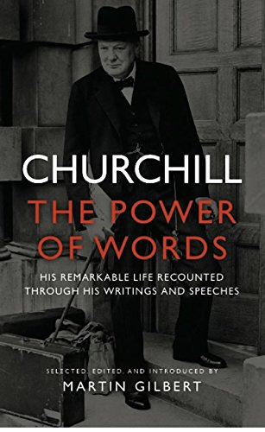
Audible Sample
Audible Sample

Churchill: The Power of Words

By Martin Gilbert
Narrated by Fraser Wilson
Audible List Price : $24.51
Audible Upgrade Price : $7.49
You Save $17.02 (69%)
Upgrade with Audio for $7.49
All titles sold and delivered by Audible.com
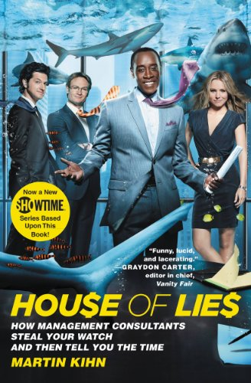
Audible Sample
Audible Sample

House of Lies: How Management Consultants Steal Yo...

By Martin Kihn
Narrated by Johnny Heller
Audible List Price : $22.80
Audible Upgrade Price : $12.49
You Save $10.31 (45%)
Upgrade with Audio for $12.49
All titles sold and delivered by Audible.com
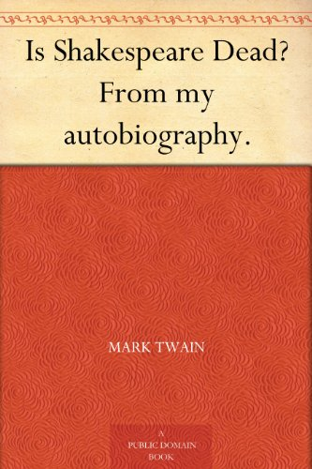
Audible Sample
Audible Sample

Is Shakespeare Dead? From my autobiography.

By Mark Twain
Narrated by Robin Field
Audible List Price : $14.69
Audible Upgrade Price : $7.49
You Save $7.20 (49%)
Upgrade with Audio for $7.49
All titles sold and delivered by Audible.com
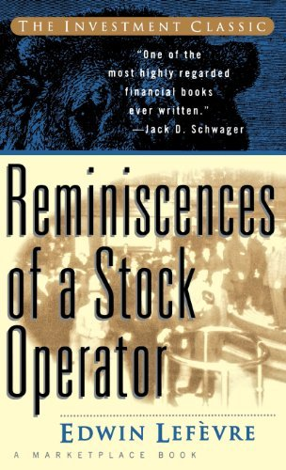
Audible Sample
Audible Sample

Reminiscences of a Stock Operator (First Edition)

By Lefevre Edwin
Narrated by R F McCoy
Audible List Price : $24.95
Audible Upgrade Price : $7.49
You Save $17.46 (70%)
Upgrade with Audio for $7.49
All titles sold and delivered by Audible.com
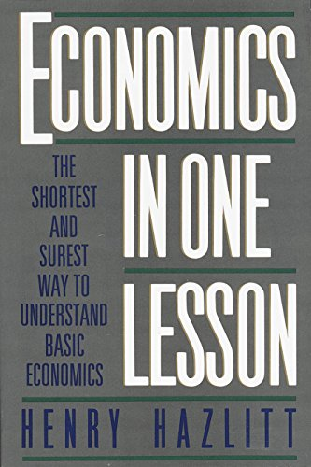
Audible Sample
Audible Sample

Economics in One Lesson: The Shortest and Surest W...

By Henry Hazlitt
Narrated by Jeff Riggenbach
Audible List Price : $17.47
Audible Upgrade Price : $7.49
You Save $9.98 (57%)
Upgrade with Audio for $7.49
All titles sold and delivered by Audible.com

Audible Sample
Audible Sample

Shakespeare's Sonnets

By William Shakespeare
Narrated by Nick Sandys
Audible List Price : $9.95
Audible Upgrade Price : $1.99
You Save $7.96 (80%)
Upgrade with Audio for $1.99
All titles sold and delivered by Audible.com
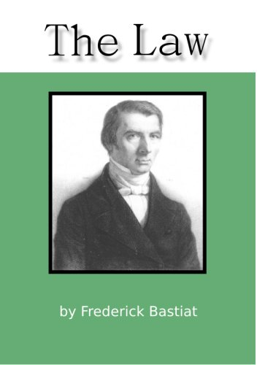
Audible Sample
Audible Sample

The Law

By Frédéric Bastiat
Narrated by Bernard Mayes
Audible List Price : $13.96
Audible Upgrade Price : $7.49
You Save $6.47 (46%)
Upgrade with Audio for $7.49
All titles sold and delivered by Audible.com
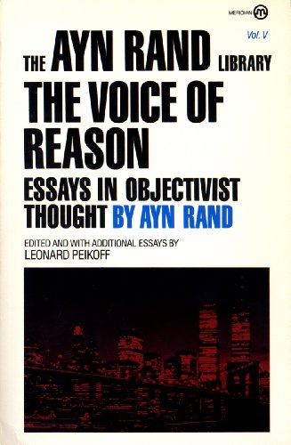
Audible Sample
Audible Sample

The Voice of Reason: Essays in Objectivist Thought...

By Leonard Peikoff
Narrated by Bernadette Dunne
Audible List Price : $25.17
Audible Upgrade Price : $7.49
You Save $17.68 (70%)
Upgrade with Audio for $7.49
All titles sold and delivered by Audible.com

Audible Sample
Audible Sample

Paradise Lost: With bonus material from The Demono...

By John Milton
Narrated by Simon Vance
Audible List Price : $24.95
Audible Upgrade Price : $7.49
You Save $17.46 (70%)
Upgrade with Audio for $7.49
All titles sold and delivered by Audible.com

Audible Sample
Audible Sample

Anna Karenina

By Leo Tolstoy
Narrated by Maggie Gyllenhaal
Audible List Price : $39.95
Audible Upgrade Price : $1.99
You Save $37.96 (95%)
Upgrade with Audio for $1.99
All titles sold and delivered by Audible.com

Audible Sample
Audible Sample

Ender's Game (Ender Quintet Book 1)

By Orson Scott Card
Narrated by Gabrielle de Cuir
Audible List Price : $31.93
Audible Upgrade Price : $7.49
You Save $24.44 (77%)
Upgrade with Audio for $7.49
All titles sold and delivered by Audible.com
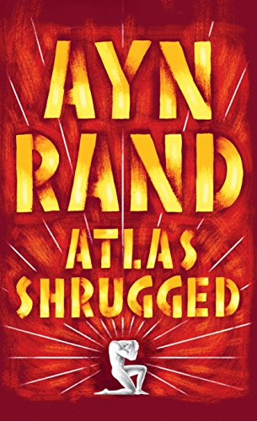
Audible Sample
Audible Sample

Atlas Shrugged

By Ayn Rand
Narrated by Christopher Hurt
Audible List Price : $48.97
Audible Upgrade Price : $9.95
You Save $39.02 (80%)
Upgrade with Audio for $9.95
All titles sold and delivered by Audible.com

Audible Sample
Audible Sample

For the New Intellectual: The Philosophy of Ayn Ra...

By Ayn Rand
Narrated by Anna Fields
Audible List Price : $17.47
Audible Upgrade Price : $7.49
You Save $9.98 (57%)
Upgrade with Audio for $7.49
All titles sold and delivered by Audible.com

Audible Sample
Audible Sample

A Tale of Two Cities

By Charles Dickens
Narrated by Simon Vance
Audible List Price : $29.95
Audible Upgrade Price : $7.49
You Save $22.46 (75%)
Upgrade with Audio for $7.49
All titles sold and delivered by Audible.com
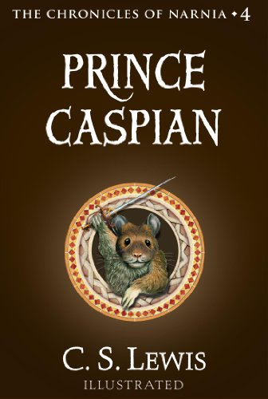
Audible Sample
Audible Sample

Prince Caspian: The Return to Narnia (Chronicles o...

By C.S. Lewis
Narrated by Lynn Redgrave
Audible List Price : $20.52
Audible Upgrade Price : $9.99
You Save $10.53 (51%)
Upgrade with Audio for $9.99
All titles sold and delivered by Audible.com
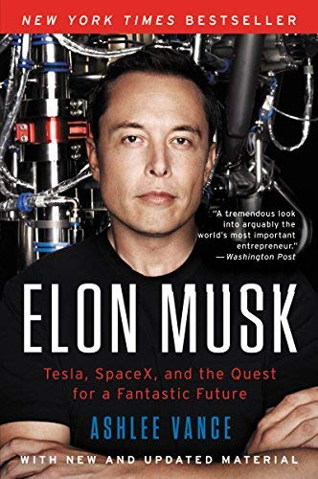
Audible Sample
Audible Sample

Elon Musk: Tesla, SpaceX, and the Quest for a Fant...

By Ashlee Vance
Narrated by Fred Sanders
Audible List Price : $34.22
Audible Upgrade Price : $12.99
You Save $21.23 (62%)
Upgrade with Audio for $12.99
All titles sold and delivered by Audible.com
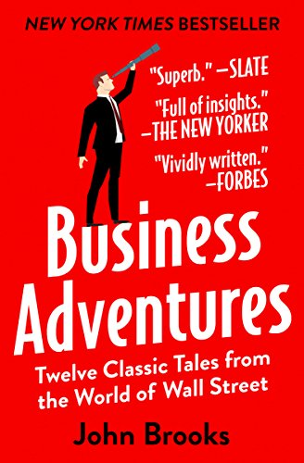
Audible Sample
Audible Sample

Business Adventures: Twelve Classic Tales from the...

By John Brooks
Narrated by Johnny Heller
Audible List Price : $31.50
Audible Upgrade Price : $8.99
You Save $22.51 (71%)
Upgrade with Audio for $8.99
All titles sold and delivered by Audible.com
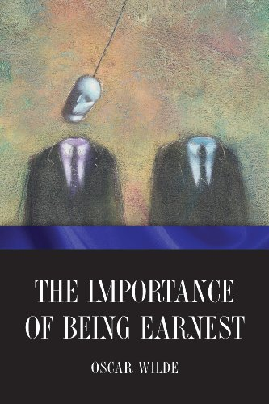
Audible Sample
Audible Sample

The Importance of Being Earnest

By Oscar Wilde
Narrated by Christopher Hurt
Audible List Price : $9.95
Audible Upgrade Price : $6.97
You Save $2.98 (30%)
Upgrade with Audio for $6.97
All titles sold and delivered by Audible.com
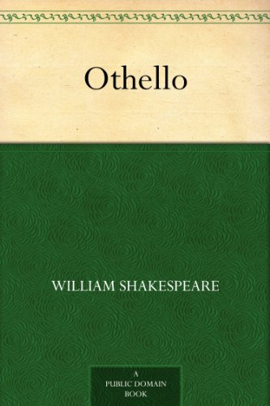
Audible Sample
Audible Sample

Othello

By William Shakespeare
Narrated by Elizabeth Klett
Audible List Price : $14.95
Audible Upgrade Price : $7.49
You Save $7.46 (50%)
Upgrade with Audio for $7.49
All titles sold and delivered by Audible.com
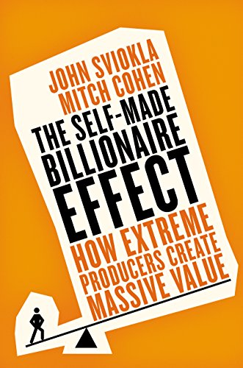
Audible Sample
Audible Sample

The Self-made Billionaire Effect: How Extreme Prod...

By Mitch Cohen
Narrated by Erik Synnestvedt
Audible List Price : $19.59
Audible Upgrade Price : $7.49
You Save $12.10 (62%)
Upgrade with Audio for $7.49
All titles sold and delivered by Audible.com
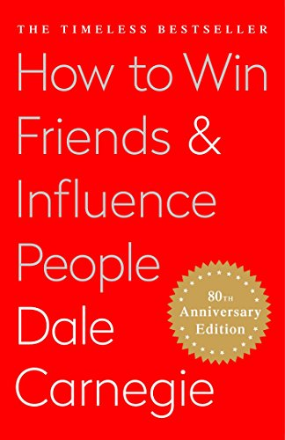
Audible Sample
Audible Sample

How To Win Friends and Influence People

By Dale Carnegie
Narrated by Andrew MacMillan
Audible List Price : $31.93
Audible Upgrade Price : $12.99
You Save $18.94 (59%)
Upgrade with Audio for $12.99
All titles sold and delivered by Audible.com
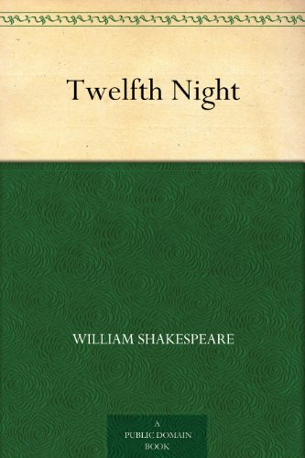
Audible Sample
Audible Sample

Twelfth Night

By William Shakespeare
Narrated by John Neville
Audible List Price : $17.05
Audible Upgrade Price : $7.49
You Save $9.56 (56%)
Upgrade with Audio for $7.49
All titles sold and delivered by Audible.com
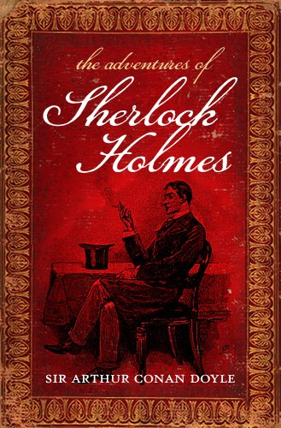
Audible Sample
Audible Sample

The Adventures of Sherlock Holmes

By Arthur Conan Doyle
Narrated by Simon Prebble
Audible List Price : $24.95
Audible Upgrade Price : $7.49
You Save $17.46 (70%)
Upgrade with Audio for $7.49
All titles sold and delivered by Audible.com

Audible Sample
Audible Sample

Crime and Punishment

By Constance Garnett (translator)
Narrated by Anthony Heald
Audible List Price : $39.95
Audible Upgrade Price : $7.49
You Save $32.46 (81%)
Upgrade with Audio for $7.49
All titles sold and delivered by Audible.com

Audible Sample
Audible Sample

The Legends of King Arthur and His Knights

By Sir James Knowles
Narrated by Eric Brooks
Audible List Price : $24.95
Audible Upgrade Price : $0.99
You Save $23.96 (96%)
Upgrade with Audio for $0.99
All titles sold and delivered by Audible.com
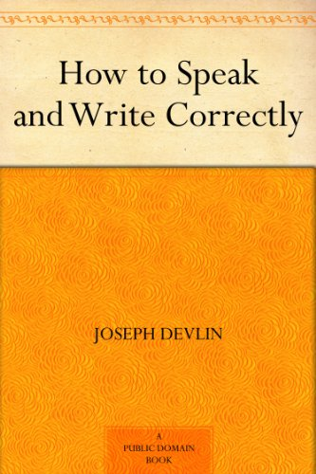
Audible Sample
Audible Sample

How to Speak and Write Correctly

By Joseph Devlin
Narrated by Shawn Grisden
Audible List Price : $14.95
Audible Upgrade Price : $8.99
You Save $5.96 (40%)
Upgrade with Audio for $8.99
All titles sold and delivered by Audible.com
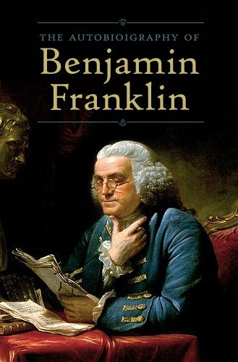
Audible Sample
Audible Sample

The Autobiography of Benjamin Franklin

By Benjamin Franklin
Narrated by Walter Costello
Audible List Price : $19.95
Audible Upgrade Price : $7.49
You Save $12.46 (62%)
Upgrade with Audio for $7.49
All titles sold and delivered by Audible.com
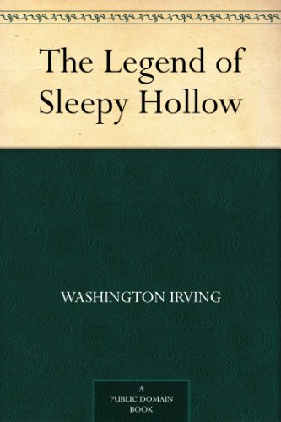
Audible Sample
Audible Sample

The Legend of Sleepy Hollow

By Washington Irving
Narrated by Curtis Sisco
Audible List Price : $9.95
Copied and pasted the tables, after fully clicking through to "more", from the Audible "MatchMaker" tool:
https://www.amazon.com/hz/audible/matchmaker?_encoding=UTF8&ref_=wfv_featuredoc_mm
Audible Upgrade Price : $0.49
You Save $9.46 (95%)
Upgrade with Audio for $0.49
All titles sold and delivered by Audible.com

Audible Sample
Audible Sample

Fairy Tales Every Child Should Know

By Hamilton Wright Mabie
Narrated by Samantha Worthen
Audible List Price : $24.95
Audible Upgrade Price : $0.99
You Save $23.96 (96%)
Upgrade with Audio for $0.99
All titles sold and delivered by Audible.com
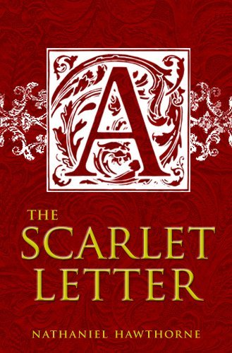
Audible Sample
Audible Sample

The Scarlet Letter

By Nathaniel Hawthorne
Narrated by Ian Lynch
Audible List Price : $19.95
Audible Upgrade Price : $7.49
You Save $12.46 (62%)
Upgrade with Audio for $7.49
All titles sold and delivered by Audible.com

filter
Paste values ... then filter on the repeating "Audible Upgrade Price"
Filter
Audible Upgrade Price : $7.49
Audible Upgrade Price : $7.49
Audible Upgrade Price : $7.49
Audible Upgrade Price : $7.49
Audible Upgrade Price : $7.49

Audible Upgrade Price : $7.49

Audible Upgrade Price : $4.49

Audible Upgrade Price : $7.49

Audible Upgrade Price : $12.99

Audible Upgrade Price : $7.49

Audible Upgrade Price : $7.49

Audible Upgrade Price : $4.87

Audible Upgrade Price : $7.49

Audible Upgrade Price : $12.99

Audible Upgrade Price : $12.49

Audible Upgrade Price : $7.49

Audible Upgrade Price : $11.99

Audible Upgrade Price : $10.49

Audible Upgrade Price : $8.99

Audible Upgrade Price : $7.47

Audible Upgrade Price : $7.99

Audible Upgrade Price : $7.49

Audible Upgrade Price : $7.49

Audible Upgrade Price : $7.49

Audible Upgrade Price : $7.49

Audible Upgrade Price : $11.49

Audible Upgrade Price : $7.49

Audible Upgrade Price : $6.36

Audible Upgrade Price : $2.49

Audible Upgrade Price : $12.99

Audible Upgrade Price : $7.49

Audible Upgrade Price : $12.49

Audible Upgrade Price : $7.49

Audible Upgrade Price : $7.49

Audible Upgrade Price : $7.49

Audible Upgrade Price : $1.99

Audible Upgrade Price : $7.49

Audible Upgrade Price : $7.49

Audible Upgrade Price : $7.49

Audible Upgrade Price : $1.99

Audible Upgrade Price : $7.49

Audible Upgrade Price : $9.95

Audible Upgrade Price : $7.49

Audible Upgrade Price : $7.49

Audible Upgrade Price : $9.99

Audible Upgrade Price : $12.99

Audible Upgrade Price : $8.99

Audible Upgrade Price : $6.97

Audible Upgrade Price : $7.49

Audible Upgrade Price : $7.49

Audible Upgrade Price : $12.99

Audible Upgrade Price : $7.49

Audible Upgrade Price : $7.49

Audible Upgrade Price : $7.49

Audible Upgrade Price : $0.99

Audible Upgrade Price : $8.99

Audible Upgrade Price : $7.49

Audible Upgrade Price : $0.49

Audible Upgrade Price : $0.99

Audible Upgrade Price : $7.49

